Hoja1
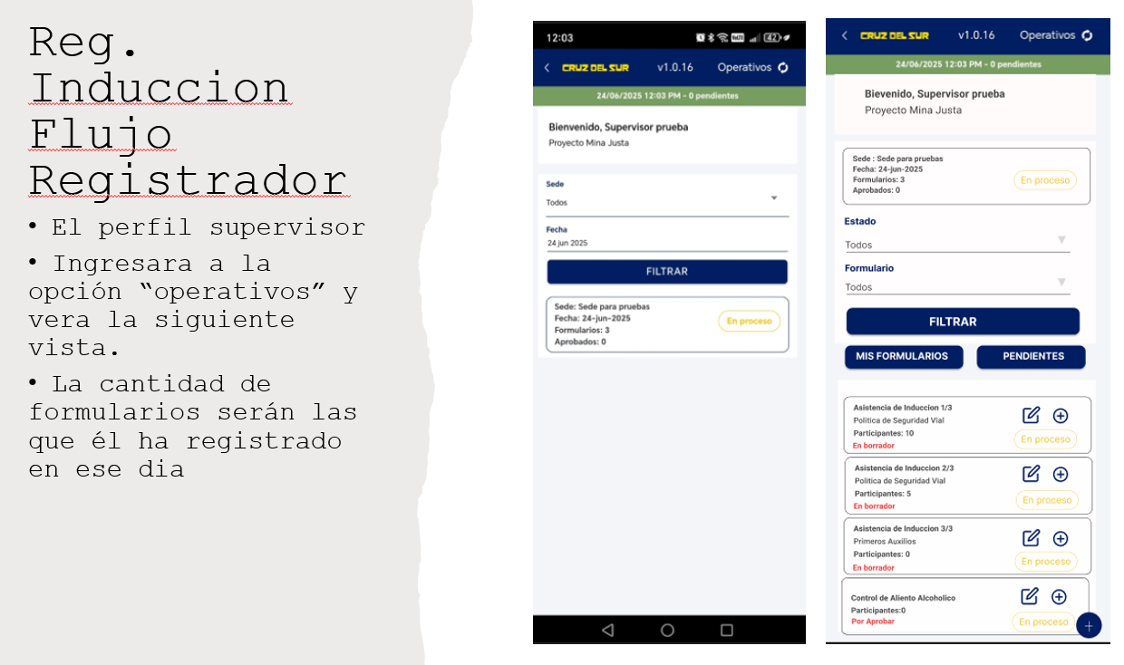
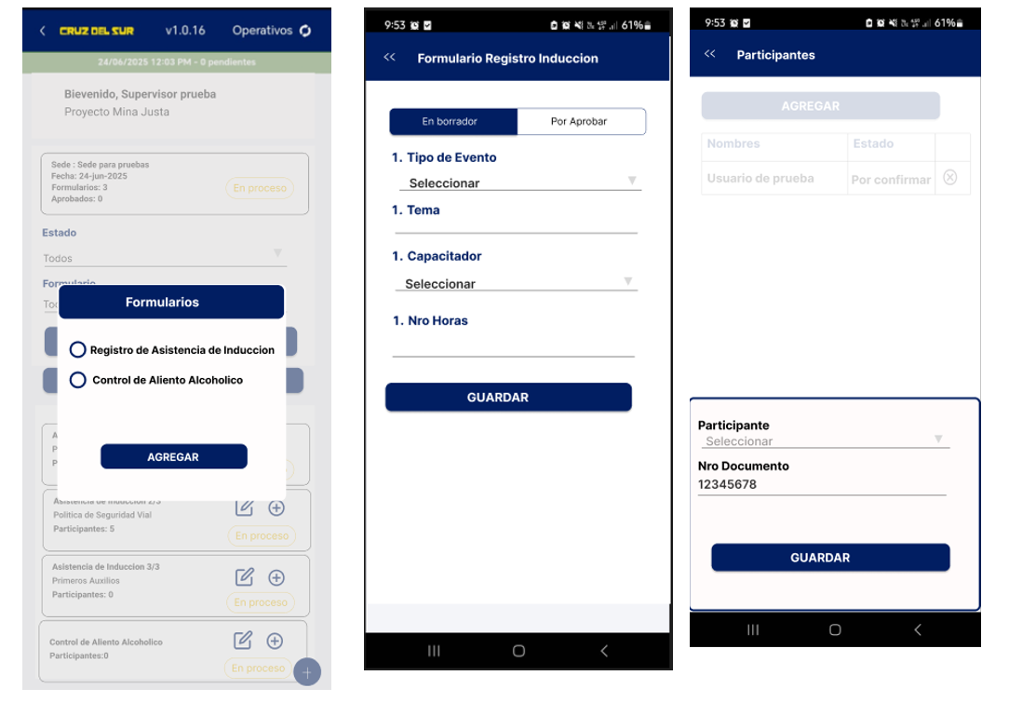
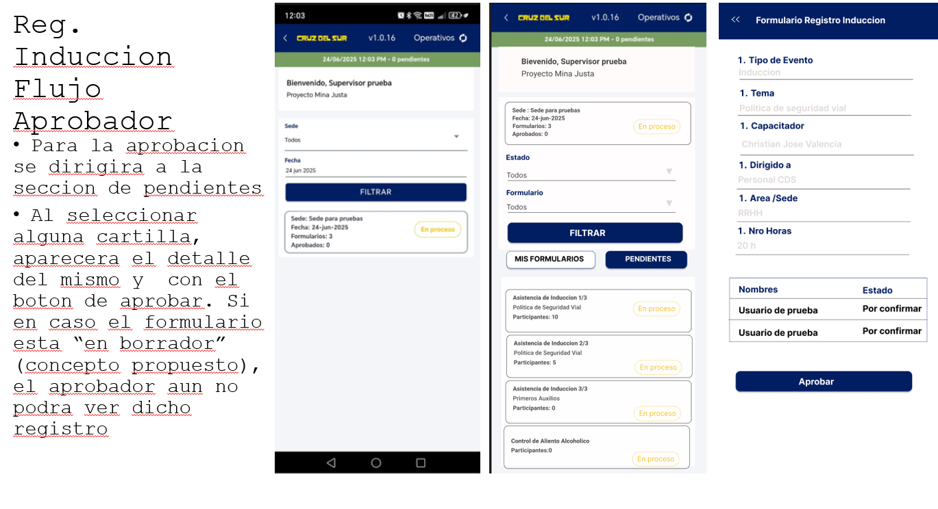
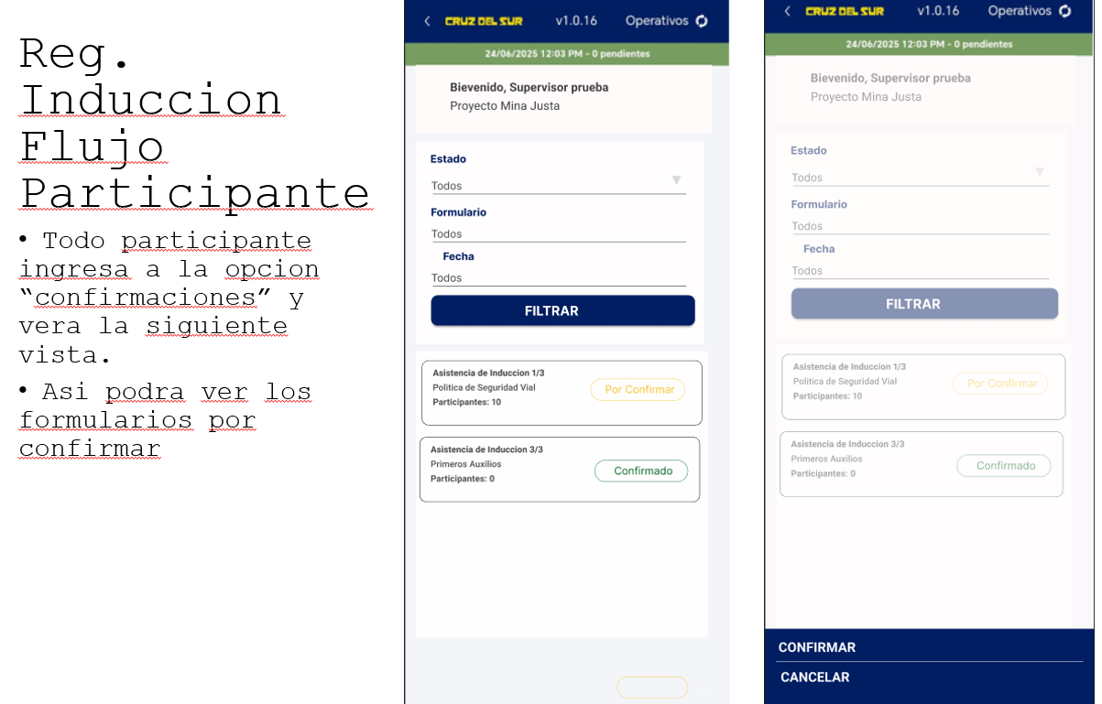

 |  |  |  |  | q

form_admin | admin_detail | post form_admin | post participant | get participant
userId | habilitar ambos formularios para mostrarlos | formId | form-admin:id/participant | form-admin:id/participant
where deletet_at null |  | admin_headerId |  | fullname
 |  | groupAppId |  | document
 | En borrador status get formadmin | userId |  | status
 |  | adminId |  | extra_content

Hoja2
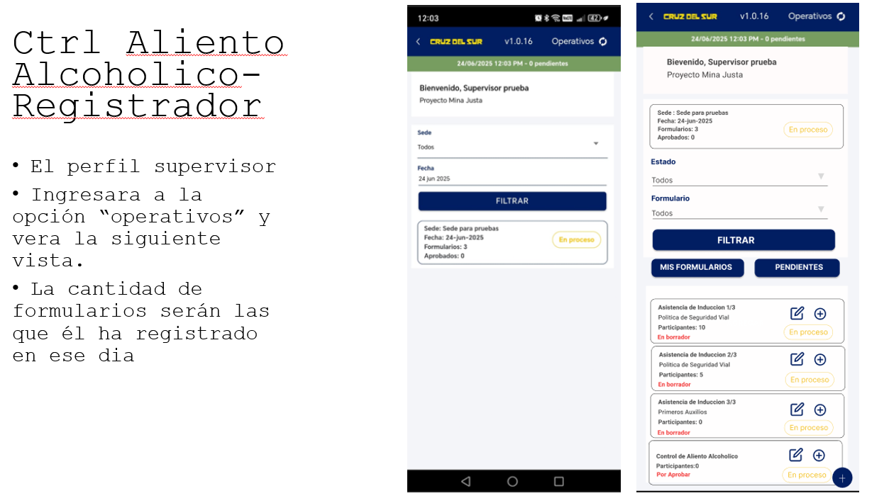
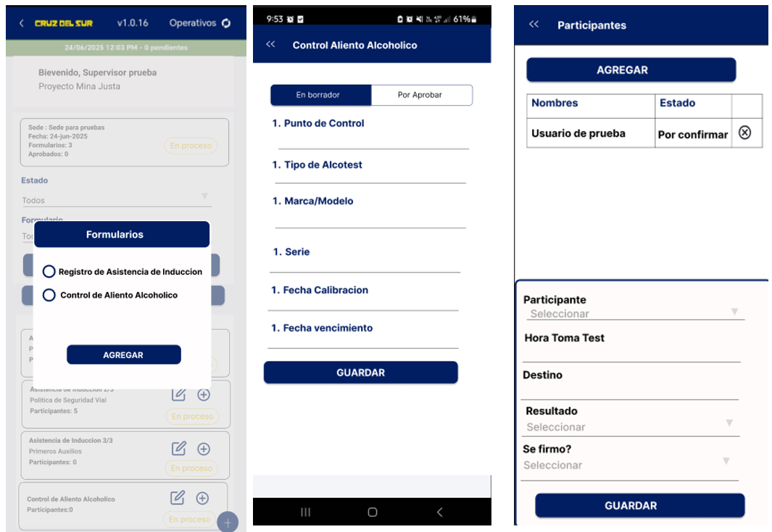
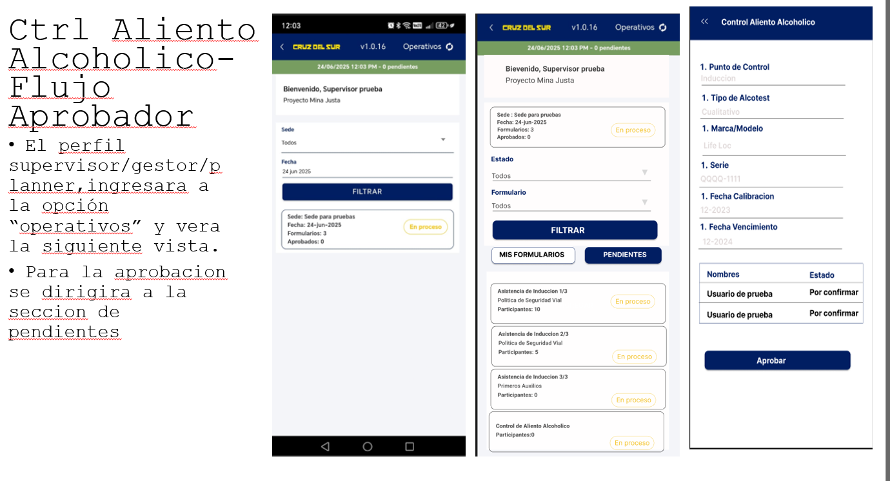
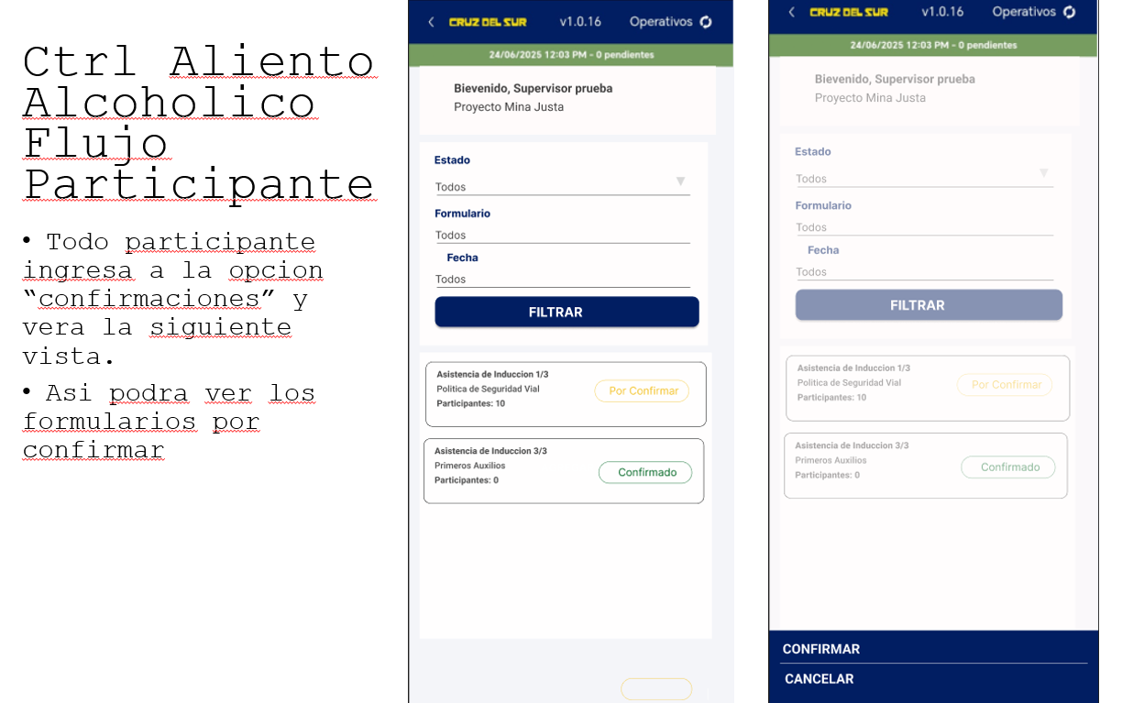

a

